Star Schema
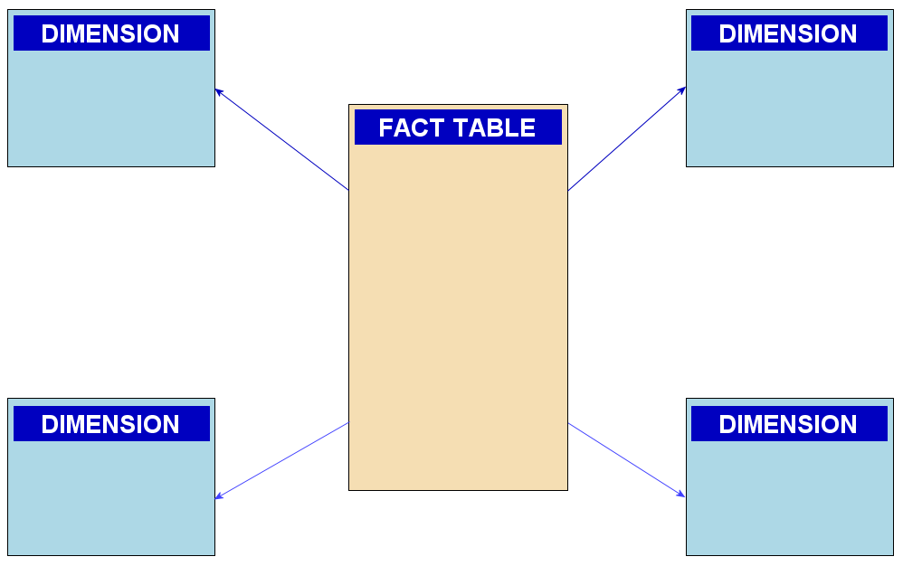
 |  | Customers
Primary | ID | Name | Telephone | Email | Address
 | 101 | Nasser | 654564 | Nasser@example. Com | 7 build st
 | 102 | Emad | 89878 | Emad@example. Com | 9 build st

 |  |  |  |  |  |  | Sales |  |  |  |  |  |  |  | Fact Table
 |  |  |  |  |  |  | ID | Name | Telephone | Email | Address | Product | QTY | Price
 |  |  |  |  |  | Forigen Key | 101 | Nasser | 654564 | Nasser@example. Com | 7 build st | Iphone | 1 | 40000
 |  |  |  |  |  |  | 101 | Nasser | 654564 | Nasser@example. Com | 7 build st | Refreigrator | 1 | 50000
 |  |  |  |  |  |  | 101 | Nasser | 654564 | Nasser@example. Com | 7 build st | handblender | 1 | 1000
 |  |  |  |  |  |  | 102 | Emad | 89878 | Emad@example. Com | 9 build st | Iphone | 1 | 40000

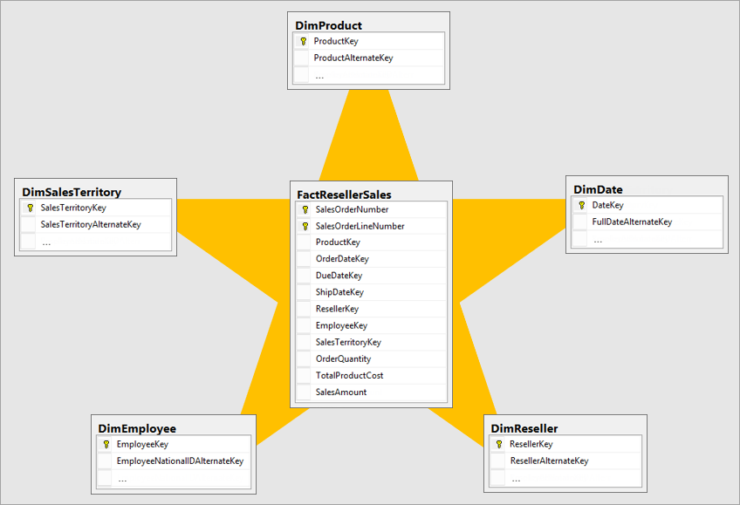
 |  | Product
 | ID | Product | Descr | Color
 | 501 | Iphone | 128 14 pro | Blue
 | Primary

